UB Depletion Plot
 | maxCRSS | minCRSS | maxUCRC | minUCRC | minall | BRUCR 1981 | BRUCR 1984 | CRSS-baseline scenario | CRSS-B scenario | CRSS-C1 scenario | CRSS-C2 scenario | CRSS-D1 scenario
 |  |  |  |  |  | 3.46
 |  |  |  |  |  | 3.54
 |  |  |  |  |  | 3.62
 |  |  |  |  |  | 3.69 | 3.49
 |  |  |  |  |  | 3.77 | 3.58
 |  |  |  |  |  | 3.84 | 3.66
 |  |  |  |  |  | 3.92 | 3.75
 |  |  |  |  |  | 4.00 | 3.84
 |  |  |  |  |  | 4.07 | 3.92
 |  |  |  |  |  | 4.15 | 4.01
 |  |  |  |  |  | 4.23 | 4.10
 |  |  |  |  |  | 4.28 | 4.16
 |  |  |  |  |  | 4.34 | 4.21
 |  |  |  |  |  | 4.40 | 4.27
 |  |  |  |  |  | 4.45 | 4.33
 |  |  |  |  |  | 4.51 | 4.39
 |  |  |  |  |  | 4.57 | 4.45
 |  |  |  |  |  | 4.62 | 4.50
 |  |  |  |  |  | 4.68 | 4.56
 |  |  |  |  |  | 4.74 | 4.62
 |  |  | 3.96 | 3.96 | 3.96 | 4.80 | 4.68
 |  |  | 3.99 | 3.99 | 3.989 | 4.83 | 4.70
 |  |  | 4.27 | 4.02 | 4.019 | 4.86 | 4.72
 |  |  | 4.32 | 4.05 | 4.048 | 4.89 | 4.73
 |  |  | 4.37 | 4.08 | 4.078 | 4.93 | 4.75
 |  |  | 4.45 | 4.11 | 4.107 | 4.96 | 4.77
 |  |  | 4.48 | 4.14 | 4.137 | 4.99 | 4.79
 |  |  | 4.51 | 4.17 | 4.167 | 5.02 | 4.81
 |  |  | 4.54 | 4.20 | 4.196 | 5.06 | 4.83
 |  |  | 4.58 | 4.23 | 4.226 | 5.09 | 4.85
 |  |  | 4.80 | 4.37 | 4.374 | 5.12 | 4.87
 | 4.70 | 4.60 | 4.82 | 4.39 | 4.392 |  | 4.88 | 4.70 | 4.60 | 4.70 | 4.70 | 4.70
 | 4.72 | 4.62 | 4.85 | 4.41 | 4.41 |  | 4.90 | 4.71 | 4.62 | 4.72 | 4.71 | 4.71
 | 4.74 | 4.63 | 4.87 | 4.43 | 4.428 |  | 4.91 | 4.72 | 4.63 | 4.74 | 4.72 | 4.71
 | 4.75 | 4.64 | 4.89 | 4.45 | 4.446 |  | 4.92 | 4.73 | 4.64 | 4.75 | 4.73 | 4.72
 | 4.77 | 4.66 | 4.91 | 4.46 | 4.464 |  | 4.94 | 4.74 | 4.66 | 4.77 | 4.74 | 4.72
 | 4.79 | 4.68 | 4.94 | 4.48 | 4.482 |  | 4.95 | 4.77 | 4.68 | 4.79 | 4.76 | 4.73
 | 4.82 | 4.70 | 4.96 | 4.50 | 4.5 |  | 4.96 | 4.79 | 4.70 | 4.82 | 4.78 | 4.74
 | 4.85 | 4.71 | 4.98 | 4.52 | 4.518 |  | 4.98 | 4.82 | 4.71 | 4.85 | 4.81 | 4.76
 | 4.87 | 4.73 | 5.00 | 4.54 | 4.536 |  | 4.99 | 4.84 | 4.73 | 4.87 | 4.83 | 4.77
...

CRSP Reservoir Evaporation Plot
 | BRUCR 1981 | BRUCR 1984 | UCRC 2016 | UCRC 1999 | UCRC 2007 schedule B | Observed | HisDataPowellGrossRate
 |  |  |  |  |  | 0.44 | 0.66
 |  |  |  |  |  | 0.45 | 0.66
 |  |  |  |  |  | 0.50 | 0.74
 |  |  |  |  |  | 0.59 | 0.82
 |  |  |  |  |  | 0.61 | 0.86
 |  |  |  |  |  | 0.63 | 0.86
 |  |  |  |  |  | 0.54 | 0.75
 |  |  |  |  |  | 0.52 | 0.74
 |  |  |  |  |  | 0.61 | 0.87
 | 0.52 |  |  |  |  | 0.69 | 0.94
 | 0.52 |  |  |  |  | 0.65 | 0.89
 | 0.52 |  |  |  |  | 0.67 | 0.92
 | 0.52 | 0.52 |  |  |  | 0.73 | 0.99
 | 0.52 | 0.52 |  |  |  | 0.71 | 0.97
 | 0.52 | 0.52 |  |  |  | 0.70 | 0.96
 | 0.52 | 0.52 |  |  |  | 0.71 | 0.96
 | 0.52 | 0.52 |  |  |  | 0.70 | 0.96
 | 0.52 | 0.52 |  |  |  | 0.69 | 0.94
 | 0.52 | 0.52 |  |  |  | 0.63 | 0.87
 | 0.52 | 0.52 |  |  |  | 0.55 | 0.77
 | 0.52 | 0.52 |  |  |  | 0.51 | 0.73
 | 0.52 | 0.52 |  |  |  | 0.49 | 0.70
 | 0.52 | 0.52 |  |  |  | 0.57 | 0.82
 | 0.52 | 0.52 |  |  |  | 0.59 | 0.82
 | 0.52 | 0.52 |  |  |  | 0.65 | 0.91
 | 0.52 | 0.52 |  |  |  | 0.67 | 0.92
 | 0.52 | 0.52 |  |  |  | 0.68 | 0.94
 | 0.52 | 0.52 |  |  |  | 0.70 | 0.95
 | 0.52 | 0.52 |  |  |  | 0.70 | 0.95
 | 0.52 | 0.52 |  |  |  | 0.66 | 0.90
 | 0.52 | 0.52 |  |  |  | 0.62 | 0.85
 | 0.52 | 0.52 |  | 0.57 |  | 0.51 | 0.72
 | 0.52 | 0.52 |  | 0.57 |  | 0.43 | 0.63
 | 0.52 | 0.52 |  | 0.57 |  | 0.36 | 0.55
 | 0.52 | 0.52 |  | 0.57 |  | 0.39 | 0.61
 | 0.52 | 0.52 |  | 0.57 |  | 0.44 | 0.64
 | 0.52 | 0.52 |  | 0.57 |  | 0.45 | 0.64
 | 0.52 | 0.52 |  | 0.57 |  | 0.50 | 0.69
 | 0.52 | 0.52 |  | 0.57 |  | 0.53 | 0.73
 | 0.52 | 0.52 |  | 0.57 | 0.25 | 0.53 | 0.73
 |  | 0.52 |  | 0.57 | 0.25 | 0.57 | 0.77
 |  | 0.52 |  | 0.57 | 0.25 | 0.52 | 0.70
 |  | 0.52 |  | 0.57 | 0.25 | 0.42 | 0.60
 |  | 0.52 |  | 0.57 | 0.25 | 0.44 | 0.63
 |  | 0.52 |  | 0.57 | 0.25 | 0.46 | 0.65
 |  | 0.52 |  | 0.57 | 0.25 | 0.47 | 0.65
 |  | 0.52 |  | 0.57 | 0.25 | 0.51 | 0.71
 |  | 0.52 |  | 0.57 | 0.25 | 0.45 | 0.63
 |  | 0.52 |  | 0.57 | 0.25
...

UCRC 1996
Year | Depletion (KAF/per year) | Guidance for this page
2000 | 3,960 | Data in Column B is from the following report.
2001 | 3,989 | There is no reservoir evaporation in the report
2002 | 4,019
2003 | 4,048 | Colorado River Interim Surplus Criteria, Draft Environmental Impact Statement
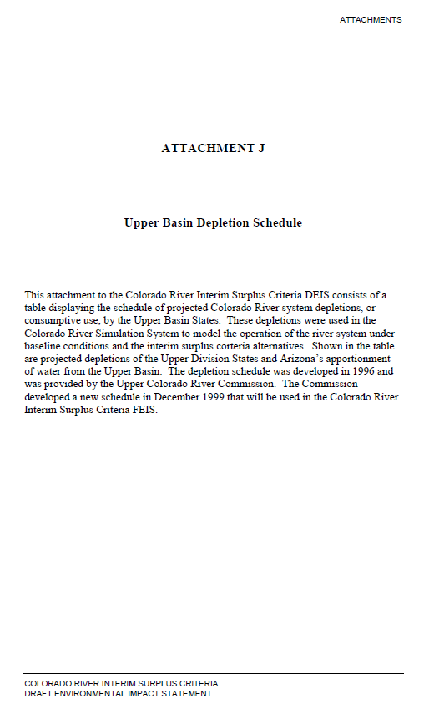
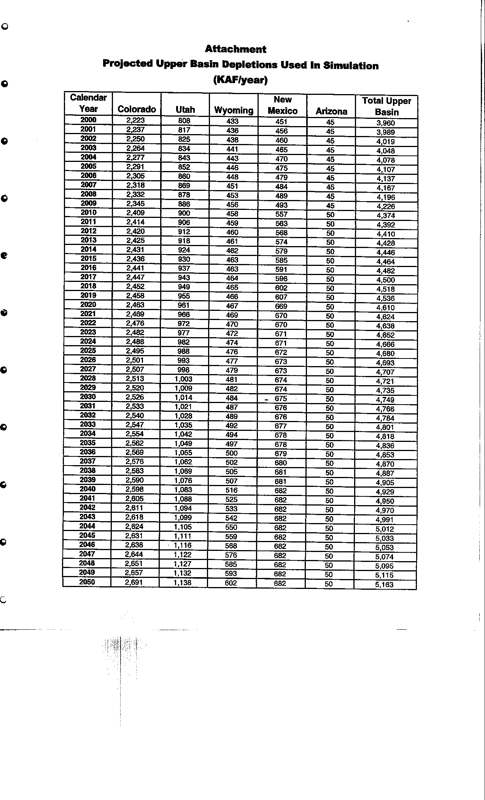
2004 | 4,078
2005 | 4,107
2006 | 4,137
2007 | 4,167
2008 | 4,196
2009 | 4,226
2010 | 4,374
2011 | 4,392
2012 | 4,410
2013 | 4,428
2014 | 4,446
2015 | 4,464
2016 | 4,482
2017 | 4,500
2018 | 4,518
2019 | 4,536
2020 | 4,610
2021 | 4,624
2022 | 4,638
2023 | 4,652
2024 | 4,666
2025 | 4,680
2026 | 4,693
2027 | 4,707
2028 | 4,721
2029 | 4,735
2030 | 4,749
2031 | 4,766
2032 | 4,784
2033 | 4,801
2034 | 4,818
2035 | 4,836
2036 | 4,853
2037 | 4,870
2038 | 4,887
2039 | 4,905
2040 | 4,929
2041 | 4,950
2042 | 4,970
2043 | 4,991
2044 | 5,012
2045 | 5,033
2046 | 5,053
2047 | 5,074
2048 | 5,095
2049 | 5,115
2050 | 5,163
2051
2052
2053
2054
2055
2056
2057
2058
2059
2060

UCRC 1999
 | Guidance for this page
 | Evaporation and total upper basin data are copied from "Colorado River Interim Surplus Criteria, FEIS"
 | Depletion is the gap between Total Upper basin and Evaporation

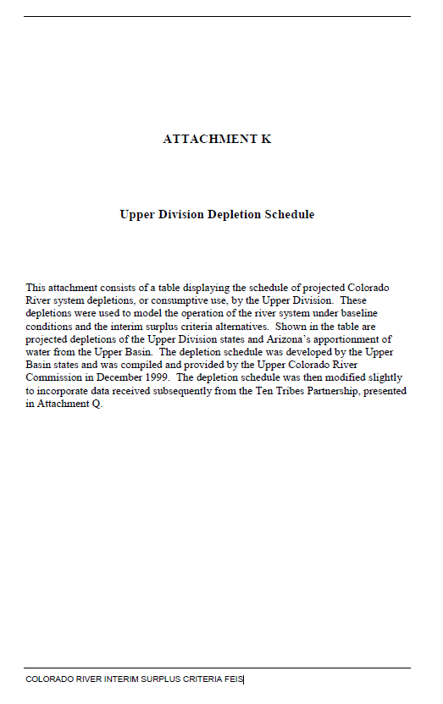
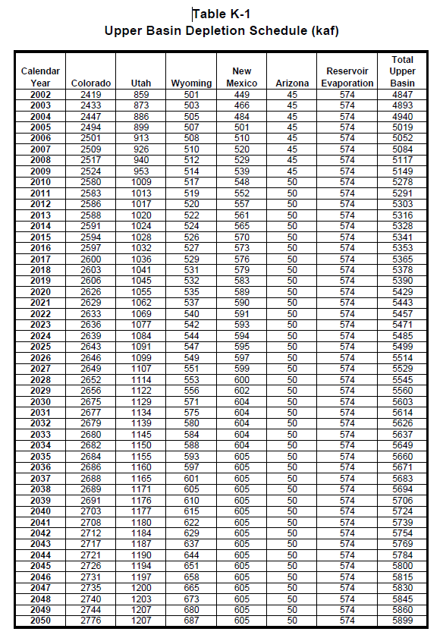
 | Depletion | Evaporation | Total Upper Basin |  | Colorado | Utah | Wyoming | New Mexico | Arizona | Reservoir Evaporation | Total Upper Basin
Year | (KAF/ per year) | (KAF/ per year) | (KAF/ per year) | Calendar Year | (KAF/ per year) | (KAF/ per year) | (KAF/ per year) | (KAF/ per year) | (KAF/ per year) | (KAF/ per year) | (KAF/ per year) | Colorado River Interim Surplus Criteria, FEIS
2002 | 4,273 | 574 | 4,847 | 2002 | 2,419 | 859 | 501 | 449 | 45 | 574 | 4,847
2003 | 4,319 | 574 | 4,893 | 2003 | 2,433 | 873 | 503 | 466 | 45 | 574 | 4,893
2004 | 4,366 | 574 | 4,940 | 2004 | 2,447 | 886 | 505 | 484 | 45 | 574 | 4,940
2005 | 4,445 | 574 | 5,019 | 2005 | 2,494 | 899 | 507 | 501 | 45 | 574 | 5,019
2006 | 4,478 | 574 | 5,052 | 2006 | 2,501 | 913 | 508 | 510 | 45 | 574 | 5,052
2007 | 4,510 | 574 | 5,084 | 2007 | 2,509 | 926 | 510 | 520 | 45 | 574 | 5,084
2008 | 4,543 | 574 | 5,117 | 2008 | 2,517 | 940 | 512 | 529 | 45 | 574 | 5,117
2009 | 4,575 | 574 | 5,149 | 2009 | 2,524 | 953 | 514 | 539 | 45 | 574 | 5,149
2010 | 4,704 | 574 | 5,278 | 2010 | 2,580 | 1,009 | 517 | 548 | 50 | 574 | 5,278
2011 | 4,717 | 574 | 5,291 | 2011 | 2,583 | 1,013 | 519 | 552 | 50 | 574 | 5,291
2012 | 4,729 | 574 | 5,303 | 2012 | 2,586 | 1,017 | 520 | 557 | 50 | 574 | 5,303
2013 | 4,742 | 574 | 5,316 | 2013 | 2,588 | 1,020 | 522 | 561 | 50 | 574 | 5,316
2014 | 4,754 | 574 | 5,328 | 2014 | 2,591 | 1,024 | 524 | 565 | 50 | 574 | 5,328
2015 | 4,767 | 574 | 5,341 | 2015 | 2,594 | 1,028 | 526 | 570 | 50 | 574 | 5,341
2016 | 4,779 | 574 | 5,353 | 2016 | 2,597 | 1,032 | 527 | 573 | 50 | 574 | 5,353
2017 | 4,791 | 574 | 5,365 | 2017 | 2,600 | 1,036 | 529 | 576 | 50 | 574 | 5,365
2018 | 4,804 | 574 | 5,378 | 2018 | 2,603 | 1,041 | 531 | 579 | 50 | 574 | 5,378
2019 | 4,816 | 574 | 5,390 | 2019 | 2,606 | 1,045 | 532 | 583 | 50 | 574 | 5,390
2020 | 4,855 | 574 | 5,429 | 2020 | 2,626 | 1,055 | 535 | 589 | 50 | 574 | 5,429
2021 | 4,869 | 574 | 5,443 | 2021 | 2,629 | 1,062 | 537 | 590 | 50 | 574 | 5,443
2022 | 4,883 | 574 | 5,457 | 2022 | 2,633 | 1,069 | 540 | 591 | 50 | 574 | 5,457
2023 | 4,897 | 574 | 5,471 | 2023 | 2,636 | 1,077 | 542 | 593 | 50 | 574 | 5,471
2024 | 4,911 | 574 | 5,485 | 2024 | 2,639 | 1,084 | 544 | 594 | 50 | 574 | 5,485
2025 | 4,925 | 574 | 5,499 | 2025 | 2,643 | 1,091 | 547 | 595 | 50 | 574 | 5,499
2026 | 4,940 | 574 | 5,514 | 2026 | 2,646 | 1,099 | 549 | 597 | 50 | 574 | 5,514
2027 | 4,955 | 574 | 5,529 | 2027 | 2,649 | 1,107 | 551 | 599 | 50 | 574 | 5,529
2028 | 4,971 | 574 | 5,545 | 2028 | 2,652 | 1,114 | 553 | 600 | 50 | 574 | 5,545
2029 | 4,986 | 574 | 5,560 | 2029 | 2,656 | 1,122 | 556 | 602 | 50 | 574 | 5,560
2030 | 5,029 | 574 | 5,603 | 2030 | 2,675 | 1,129 | 571 | 604 | 50 | 574 | 5,603
2031 | 5,040 | 574 | 5,614 | 2031 | 2,677 | 1,134 | 575 | 604 | 50 | 574 | 5,614
2032 | 5,052 | 574 | 5,626 | 2032 | 2,679 | 1,139 | 580 | 604 | 50 | 574 | 5,626
2033 | 5,063 | 574 | 5,637 | 2033 | 2,680 | 1,145 | 584 | 604 | 50 | 574 | 5,637
2034 | 5,075 | 574 | 5,649 | 2034 | 2,682 | 1,150 | 588 | 604 | 50 | 574 | 5,649
2035 | 5,086 | 574 | 5,660 | 2035 | 2,684 | 1,155 | 593 | 605 | 50 | 574 | 5,660
2036 | 5,097 | 574 | 5,671 | 2036 | 2,686 | 1,160 | 597 | 605 | 50 | 574 | 5,671
2037 | 5,109 | 574 | 5,683 | 2037 | 2,688 | 1,165 | 601 | 605 | 50 | 574 | 5,683
2038 | 5,120 | 574 | 5,694 | 2038 | 2,689 | 1,171 | 605 | 605 | 50 | 574 | 5,694
2039 | 5,132 | 574 | 5,706 | 2039 | 2,691 | 1,176 | 610 | 605 | 50 | 574 | 5,706
2040 | 5,150 | 574 | 5,724 | 2040 | 2,703 | 1,177 | 615 | 605 | 50 | 574 | 5,724
2041 | 5,165 | 574 | 5,739 | 2041 | 2,708 | 1,180 | 622 | 605 | 50 | 574 | 5,739
2042 | 5,180 | 574 | 5,754 | 2042 | 2,712 | 1,184 | 629 | 605 | 50 | 574 | 5,754
2043 | 5,195 | 574 | 5,769 | 2043 | 2,717 | 1,187 | 637 | 605 | 50 | 574 | 5,769
2044 | 5,210 | 574 | 5,784 | 2044 | 2,721 | 1,190 | 644 | 605 | 50 | 574 | 5,784
2045 | 5,226 | 574 | 5,800 | 2045 | 2,726 | 1,194 | 651 | 605 | 50 | 574 | 5,800
2046 | 5,241 | 574 | 5,815 | 2046 | 2,731 | 1,197 | 658 | 605 | 50 | 574 | 5,815
2047 | 5,256 | 574 | 5,830 | 2047 | 2,735 | 1,200 | 665 | 605 | 50 | 574 | 5,830
2048 | 5,271 | 574 | 5,845 | 2048 | 2,740 | 1,203 | 673 | 605 | 50 | 574 | 5,845
2049 | 5,286 | 574 | 5,860 | 2049 | 2,744 | 1,207 | 680 | 605 | 50 | 574 | 5,860
2050 | 5,325 | 574 | 5,899 | 2050 | 2,776 | 1,207 | 687 | 605 | 50 | 574 | 5,899
2051
2052
2053
2054
2055
2056
2057
2058
2059
2060

UCRC 2007
 | Summary of Depletions of Schedule A (=Total of schedule B) | Total of schedule A | Critical Period CRSP Evap | Guidance for this page
 | (KAF/ per year) | (KAF/ per year) | (KAF/ per year) | Data Range (H7 to M9) is copied from the following report. Data in Columns B and C is the liner interpolation results
2010 | 4,802 | 5,052 | 250
2011 | 4,824 | 5,074 | 250
2012 | 4,847 | 5,097 | 250
2013 | 4,869 | 5,119 | 250 | Year | 2010 | 2020 | 2030 | 2040 | 2050 | 2060
2014 | 4,892 | 5,142 | 250 | Summary of Depletions of Schedule A (=Total of schedule B) (KAF/ per year) | 4,802 | 5,026 | 5,277 | 5,414 | 5,510 | 5,523
2015 | 4,914 | 5,164 | 250 | Total of schedule A (KAF/ per year) | 5,052 | 5,276 | 5,527 | 5,664 | 5,760 | 5,773
2016 | 4,936 | 5,186 | 250 | Critical Period CRSP Evap (KAF/ per year) | 250 | 250 | 250 | 250 | 250 | 250
2017 | 4,959 | 5,209 | 250 | Gap between every 10 years (used for interpolation) |  | 224 | 251 | 137 | 96 | 13
2018 | 4,981 | 5,231 | 250 | Gap between every 10 years (used for interpolation) |  | 224 | 251 | 137 | 96 | 13
2019 | 5,004 | 5,254 | 250
2020 | 5,026 | 5,276 | 250
2021 | 5,051 | 5,301 | 250 | Upper Colorado River Division States Current and Future Depletion Demand Schedule, December 12, 2007
2022 | 5,076 | 5,326 | 250 | http://www.ucrcommission.com/RepDoc/DepSchedules/Dep_Schedules_2007.pdf
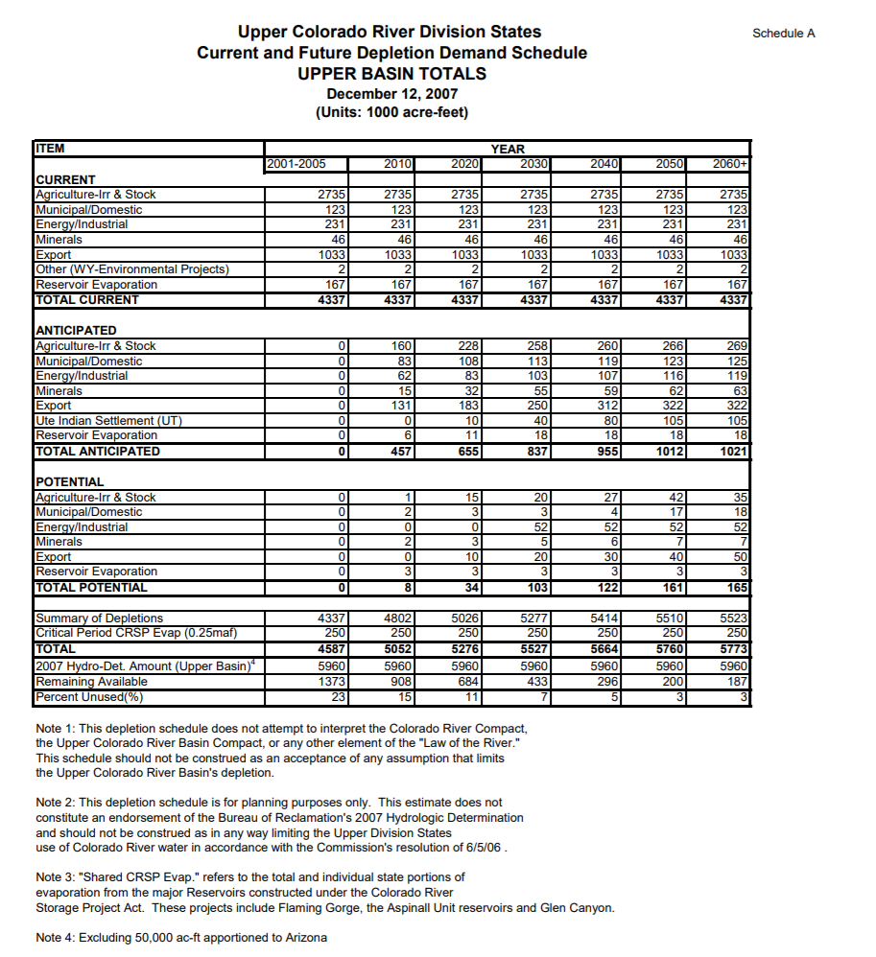
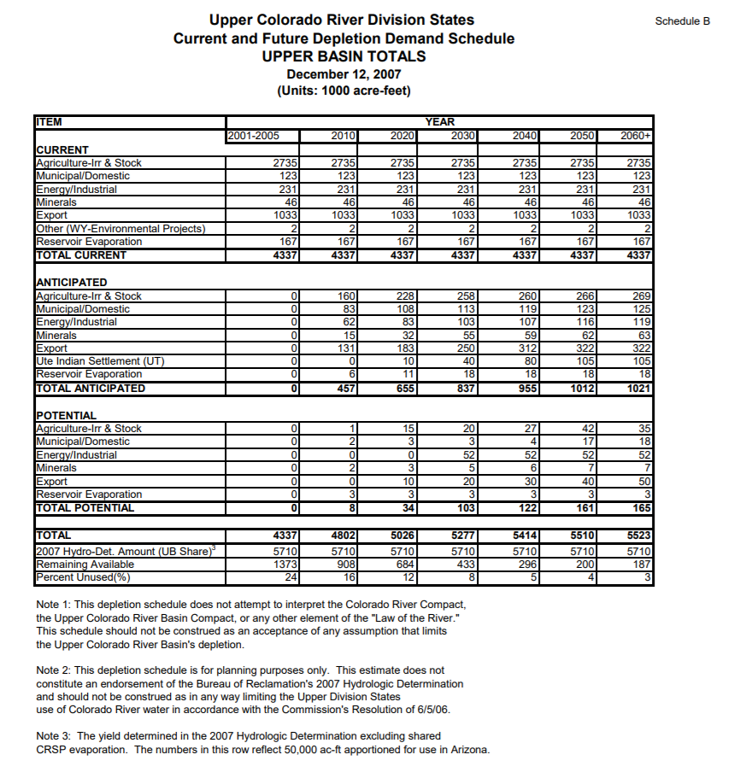
2023 | 5,101 | 5,351 | 250
2024 | 5,126 | 5,376 | 250
2025 | 5,152 | 5,402 | 250
2026 | 5,177 | 5,427 | 250
2027 | 5,202 | 5,452 | 250
2028 | 5,227 | 5,477 | 250
2029 | 5,252 | 5,502 | 250
2030 | 5,277 | 5,527 | 250
2031 | 5,291 | 5,541 | 250
2032 | 5,304 | 5,554 | 250
2033 | 5,318 | 5,568 | 250
2034 | 5,332 | 5,582 | 250
2035 | 5,345 | 5,595 | 250
2036 | 5,359 | 5,609 | 250
2037 | 5,373 | 5,623 | 250
2038 | 5,387 | 5,637 | 250
2039 | 5,400 | 5,650 | 250
2040 | 5,414 | 5,664 | 250
2041 | 5,424 | 5,674 | 250
2042 | 5,433 | 5,683 | 250
2043 | 5,443 | 5,693 | 250
2044 | 5,452 | 5,702 | 250
2045 | 5,462 | 5,712 | 250
2046 | 5,472 | 5,722 | 250
2047 | 5,481 | 5,731 | 250
2048 | 5,491 | 5,741 | 250
2049 | 5,500 | 5,750 | 250
2050 | 5,510 | 5,760 | 250
2051 | 5,511 | 5,761 | 250
2052 | 5,513 | 5,763 | 250
2053 | 5,514 | 5,764 | 250
2054 | 5,515 | 5,765 | 250
2055 | 5,517 | 5,767 | 250
2056 | 5,518 | 5,768 | 250
2057 | 5,519 | 5,769 | 250
2058 | 5,520 | 5,770 | 250
2059 | 5,522 | 5,772 | 250
2060 | 5,523 | 5,773 | 250

UCRC 2016
 | Depletions | CRSP evaporation | Guidance for this page
Yeaar | (KAF/ per year) | (KAF/ per year) | Data Range (G5 to K7) is copied from the following report. Data in Columns B and C is the liner interpolation results
2020 | 4,753 | 520
2021 | 4,774 | 520 |  | 2020 | 2030 | 2040 | 2050 | 2060
2022 | 4,795 | 520 | TOTAL Forecasted Depletions (KAF/ per year) | 4,753 | 4,963 | 5,165 | 5,368 | 5,428
2023 | 4,816 | 520 | Shared CRSP Evap (KAF/ per year) | 520 | 520 | 520 | 520 | 520
2024 | 4,837 | 520 | TOTAL (KAF/ per year) | 5,273 | 5,483 | 5,685 | 5,888 | 5,948
2025 | 4,858 | 520 | Gap between every 7 or 10 years (used for interpolation) |  | 210 | 202 | 203 | 60
2026 | 4,879 | 520
2027 | 4,900 | 520
2028 | 4,921 | 520 | Upper Colorado River Division States Current and Future Depletion Demand Schedule, December 31, 2016
2029 | 4,942 | 520 | http://www.ucrcommission.com/RepDoc/DepSchedules/CurFutDemandSchedule.pdf
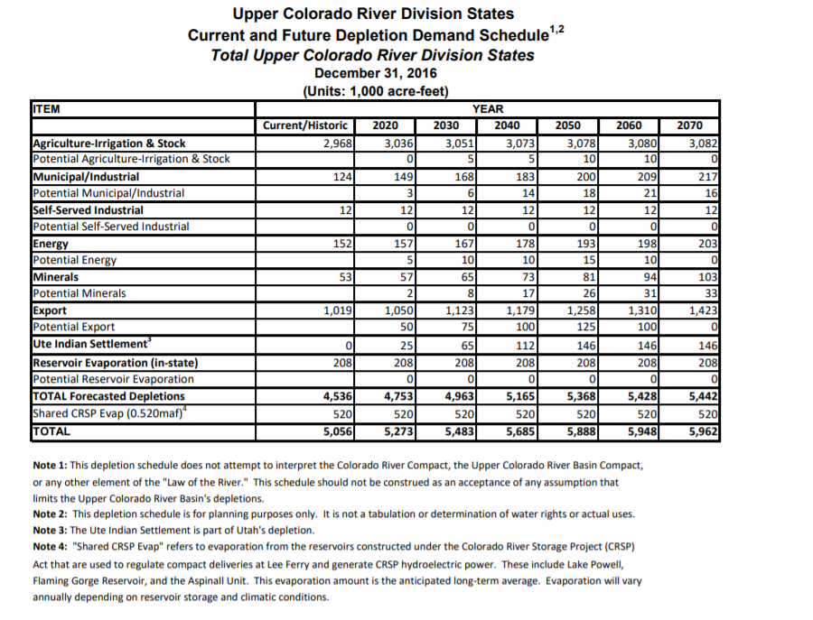
2030 | 4,963 | 520
2031 | 4,983 | 520
2032 | 5,003 | 520
2033 | 5,024 | 520
2034 | 5,044 | 520
2035 | 5,064 | 520
2036 | 5,084 | 520
2037 | 5,104 | 520
2038 | 5,125 | 520
2039 | 5,145 | 520
2040 | 5,165 | 520
2041 | 5,185 | 520
2042 | 5,206 | 520
2043 | 5,226 | 520
2044 | 5,246 | 520
2045 | 5,267 | 520
2046 | 5,287 | 520
2047 | 5,307 | 520
2048 | 5,327 | 520
2049 | 5,348 | 520
2050 | 5,368 | 520
2051 | 5,374 | 520
2052 | 5,380 | 520
2053 | 5,386 | 520
2054 | 5,392 | 520
2055 | 5,398 | 520
2056 | 5,404 | 520
2057 | 5,410 | 520
2058 | 5,416 | 520
2059 | 5,422 | 520
2060 | 5,428 | 520

BOR 1981
 |  |  |  |  | Guidance for this page
 | Depletions | Ten years gap | Evaporation | Total Upper Basin | Data Range (J7 to K10) is copied from the following report. Data in Columns B is the liner interpolation results
 | (KAF/per year) | (KAF/per year) | (KAF/per year) | (KAF/per year)
1980 | 3,462 | 766 | 520 | 3,982
1981 | 3,539 |  | 520 | 4,059 |  | Depletions | Evaporation
1982 | 3,615 |  | 520 | 4,135 |  | (KAF/ per year) | (KAF/per year)
1983 | 3,692 |  | 520 | 4,212 | 1980 | 3,462 | 520
1984 | 3,768 |  | 520 | 4,288 | 1990 | 4,228 | 520
1985 | 3,845 |  | 520 | 4,365 | 2000 | 4,795 | 520
1986 | 3,922 |  | 520 | 4,442 | 2010 | 5,123 | 520
1987 | 3,998 |  | 520 | 4,518
1988 | 4,075 |  | 520 | 4,595
1989 | 4,151 |  | 520 | 4,671 | USBR Projected Water Supply and Depletions Table - 1981
1990 | 4,228 | 567 | 520 | 4,748
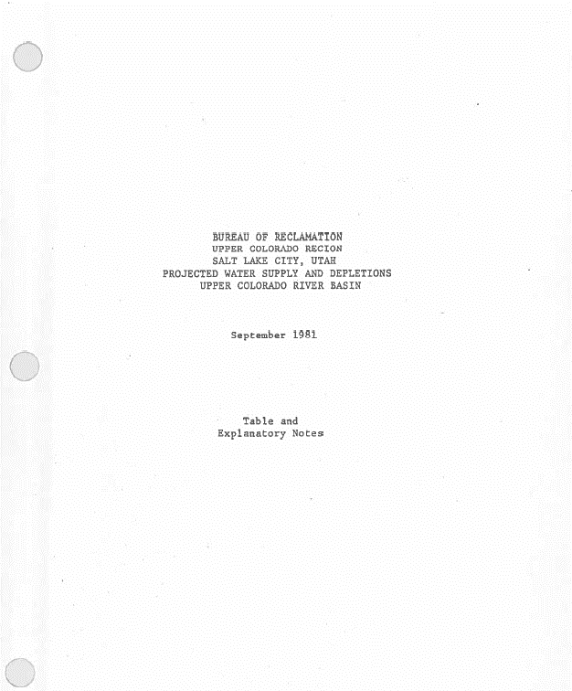
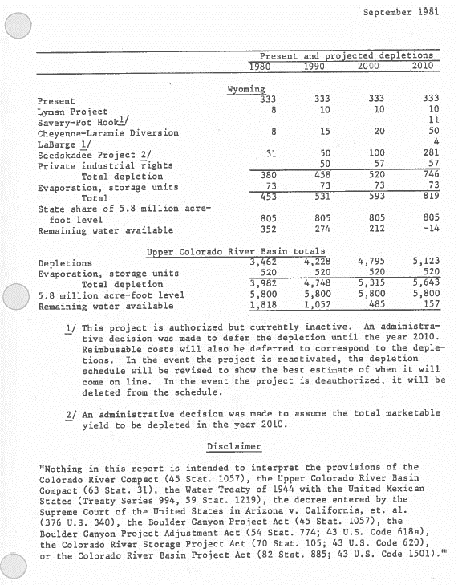
1991 | 4,285 |  | 520 | 4,805
1992 | 4,341 |  | 520 | 4,861
1993 | 4,398 |  | 520 | 4,918
1994 | 4,455 |  | 520 | 4,975
1995 | 4,511 |  | 520 | 5,031
1996 | 4,568 |  | 520 | 5,088
1997 | 4,625 |  | 520 | 5,145
1998 | 4,682 |  | 520 | 5,202
1999 | 4,738 |  | 520 | 5,258
2000 | 4,795 | 328 | 520 | 5,315
2001 | 4,828 |  | 520 | 5,348
2002 | 4,861 |  | 520 | 5,381
2003 | 4,893 |  | 520 | 5,413
2004 | 4,926 |  | 520 | 5,446
2005 | 4,959 |  | 520 | 5,479
2006 | 4,992 |  | 520 | 5,512
2007 | 5,025 |  | 520 | 5,545
2008 | 5,057 |  | 520 | 5,577
2009 | 5,090 |  | 520 | 5,610
2010 | 5,123 |  | 520 | 5,643

BOR 1984
 |  |  |  |  | Guidance for this page
 | Depletions | 7 or 10 years gap | Evaporation | Total Upper Basin | Data Range (H8 to I14) is copied from the following report. Data in Columns B is the liner interpolation results
 | (KAF/per year) | (KAF/per year) | (KAF/per year) | (KAF/per year)
1983 | 3,489 | 610 | 520 | 4,009
1984 | 3,576 |  | 520 | 4,096
1985 | 3,663 |  | 520 | 4,183 |  | Depletions | Evaporation
1986 | 3,750 |  | 520 | 4,270 |  | (KAF/ per year) | (KAF/per year)
1987 | 3,838 |  | 520 | 4,358 | 1983 | 3,489 | 520
1988 | 3,925 |  | 520 | 4,445 | 1990 | 4,099 | 520
1989 | 4,012 |  | 520 | 4,532 | 2000 | 4,677 | 520
1990 | 4,099 | 578 | 520 | 4,619 | 2010 | 4,870 | 520
1991 | 4,157 |  | 520 | 4,677 | 2020 | 5,005 | 520
1992 | 4,215 |  | 520 | 4,735 | 2030 | 5,099 | 520
1993 | 4,272 |  | 520 | 4,792 | 2040 | 5,280 | 520
1994 | 4,330 |  | 520 | 4,850
1995 | 4,388 |  | 520 | 4,908
1996 | 4,446 |  | 520 | 4,966
1997 | 4,504 |  | 520 | 5,024
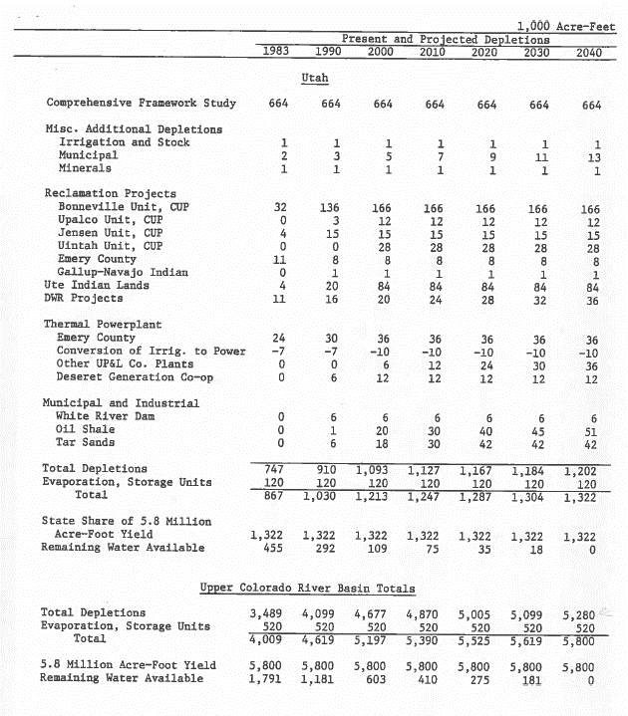
1998 | 4,561 |  | 520 | 5,081 | USBR Projected Water Supply and Depletions Table - 1984
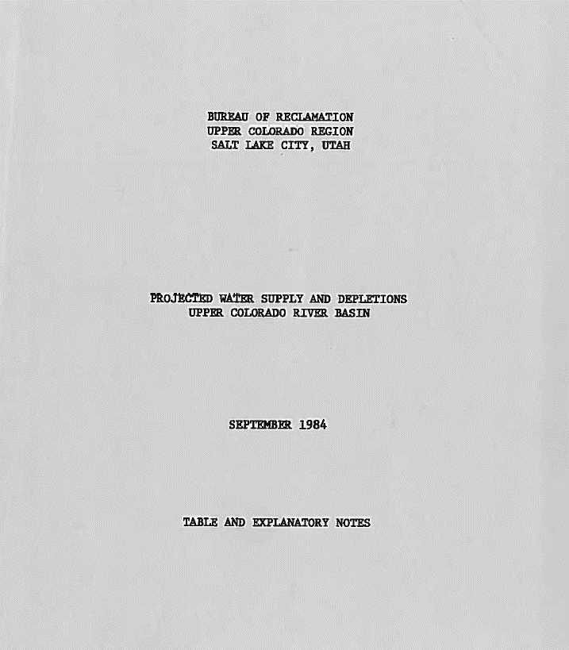
1999 | 4,619 |  | 520 | 5,139
2000 | 4,677 | 193 | 520 | 5,197
2001 | 4,696 |  | 520 | 5,216
2002 | 4,716 |  | 520 | 5,236
2003 | 4,735 |  | 520 | 5,255
2004 | 4,754 |  | 520 | 5,274
2005 | 4,774 |  | 520 | 5,294
2006 | 4,793 |  | 520 | 5,313
2007 | 4,812 |  | 520 | 5,332
2008 | 4,831 |  | 520 | 5,351
2009 | 4,851 |  | 520 | 5,371
2010 | 4,870 | 135 | 520 | 5,390
2011 | 4,884 |  | 520 | 5,404
2012 | 4,897 |  | 520 | 5,417
2013 | 4,911 |  | 520 | 5,431
2014 | 4,924 |  | 520 | 5,444
2015 | 4,938 |  | 520 | 5,458
2016 | 4,951 |  | 520 | 5,471
2017 | 4,965 |  | 520 | 5,485
2018 | 4,978 |  | 520 | 5,498
2019 | 4,992 |  | 520 | 5,512
2020 | 5,005 | 94 | 520 | 5,525
2021 | 5,014 |  | 520 | 5,534
2022 | 5,024 |  | 520 | 5,544
2023 | 5,033 |  | 520 | 5,553
2024 | 5,043 |  | 520 | 5,563
2025 | 5,052 |  | 520 | 5,572
2026 | 5,061 |  | 520 | 5,581
2027 | 5,071 |  | 520 | 5,591
2028 | 5,080 |  | 520 | 5,600
2029 | 5,090 |  | 520 | 5,610
2030 | 5,099 | 181 | 520 | 5,619
2031 | 5,117 |  | 520 | 5,637
2032 | 5,135 |  | 520 | 5,655
2033 | 5,153 |  | 520 | 5,673
2034 | 5,171 |  | 520 | 5,691
2035 | 5,190 |  | 520 | 5,710
2036 | 5,208 |  | 520 | 5,728
2037 | 5,226 |  | 520 | 5,746
2038 | 5,244 |  | 520 | 5,764
2039 | 5,262 |  | 520 | 5,782
2040 | 5,280 |  | 520 | 5,800

